Dashboard
 |  |  | Visualizations from the Internet
 | Plot 1 |  |  |  | Plot 2
Unethical |  | Ethical |  | Unethical |  | Ethical
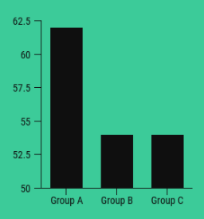
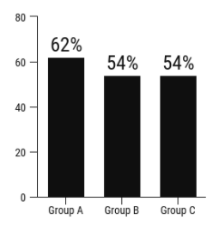
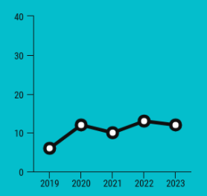
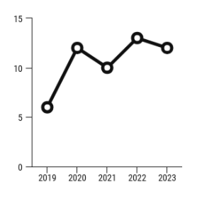

 |  |  | Visualizations that are Rebuilt

 | Scale
2019 | 5
2020 | 12
2021 | 10
2022 | 13
2023 | 12
 | Scale
Group A | 62
Group B | 54
Group C | 54
 | Scale
Group A | 62
Group B | 54
Group C | 54
 | Scale
2019 | 5
2020 | 12
2021 | 10
2022 | 13
2023 | 12

Plot 1
Unethical
 | Groups | Scale
 | Group A | 62
 | Group B | 54
 | Group C | 54

Ethical
 | Groups | Scale
 | Group A | 62
 | Group B | 54
 | Group C | 54

Plot 2
Unethical

 | Year | Scale
 | 2019 | 5
 | 2020 | 12
 | 2021 | 10
 | 2022 | 13
 | 2023 | 12

Ethical

 | Year | Scale
 | 2019 | 5
 | 2020 | 12
 | 2021 | 10
 | 2022 | 13
 | 2023 | 12

